Stakeholders
I
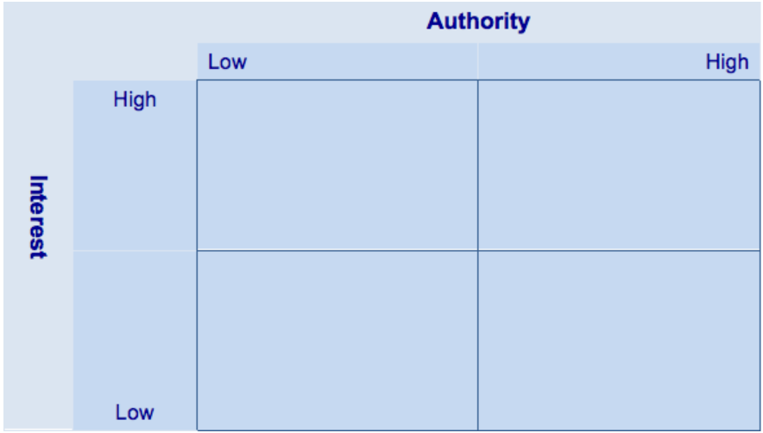
 | Stakeholder Name | Organization
A | Western Student Council | Western University
B | Western Campus Security | Western University
C | Students | Western University
D | Professors | Western University
E | Western Gazette | Western University
F | London Community | City of London
D
G
G | Food Vendor | Pizza Pizza
E
P
Q
A
H | London Police | City of London
I | Sponsors/Investors | London Music Hall
C
I
J | Parents/Friends | Western University
F
K
K | The River Birds Band | Management Agency
J
L | The Ghost Dummies Band | Management Agency
L
M | Stage and Equipment Team | Western University
N | Sound and Light Team | Western University
O
R
T
M
S
O | Waste Management/Garbage Collection | London Waste Management Services
P | Beer Tent | Western University
N
B
Q | Band T-shirt Vendor | Hot Topic
R | Event Clean Up Service | Western University
S | Emegency Medical Team | Middlesex-London Health Unit
T | Western Hospitality Services | Western University
T

